Profit by year
Row Labels | Sum of Profit
2011 | 54487
2012 | 66223
2013 | 77200
2014 | 85330
Grand Total | 283240
Total Profit by Year

Sales by Year and Region
Sum of Profit | Column Labels
Row Labels | Central | North | South | Grand Total
2011 | 32021 | 15954 | 6512 | 54487
2012 | 34098 | 21414 | 10711 | 66223
2013 | 42944 | 18644 | 15612 | 77200
2014 | 48573 | 15427 | 21330 | 85330
Grand Total | 157636 | 71439 | 54165 | 283240

Sales by Region and Year

Profit and Sales by Country
Row Labels | Sum of Profit | Sum of Sales
Austria | 2673 | 8764
Belgium | 521 | 2440
Denmark | -393 | 572
Finland | 574 | 1396
France | 8403 | 50405
Germany | 5498 | 26251
Ireland | -204 | 452
Italy | 1793 | 10549
Netherlands | -2374 | 4261
Norway | 224 | 549
Portugal | -1020 | 2295
Spain | 3820 | 23733
Sweden | -1905 | 1911
Switzerland | 2 | 32
United Kingdom | 6523 | 34520
Grand Total | 24135 | 168130

Profit and Sales by Country

Sales By Segment
Sales by Segment
Row Labels | Sum of Sales
Consumer | 1236282
Corporate | 738137
Home Office | 374063
Grand Total | 2348482

Shipping mode by Countries
Sum of Quantity | Column Labels
Row Labels | Economy | Economy Plus | Immediate | Priority | Grand Total
Austria | 649 | 124 | 39 | 161 | 973
Belgium | 325 | 101 | 26 | 80 | 532
Denmark | 140 | 42 |  | 22 | 204
Finland | 126 | 38 | 16 | 21 | 201
France | 4251 | 1576 | 468 | 1034 | 7329
Germany | 4009 | 1084 | 288 | 798 | 6179
Ireland | 200 | 104 | 12 | 76 | 392
Italy | 2223 | 736 | 129 | 524 | 3612
Netherlands | 830 | 347 | 48 | 301 | 1526
Norway | 145 | 50 | 9 | 57 | 261
Portugal | 230 | 26 |  | 30 | 286
Spain | 1676 | 564 | 197 | 444 | 2881
Sweden | 476 | 126 | 55 | 96 | 753
Switzerland | 199 | 43 | 16 | 50 | 308
United Kingdom | 2911 | 1039 | 256 | 711 | 4917
Grand Total | 18390 | 6000 | 1559 | 4405 | 30354

Shipping Mode by Countries
 | Economy | Economy Plus | Immediate | Priority
Austria | 649 | 124 | 39 | 161
Belgium | 325 | 101 | 26 | 80
Denmark | 140 | 42 |  | 22
Finland | 126 | 38 | 16 | 21
France | 4251 | 1576 | 468 | 1034
Germany | 4009 | 1084 | 288 | 798
Ireland | 200 | 104 | 12 | 76
Italy | 2223 | 736 | 129 | 524
Netherlands | 830 | 347 | 48 | 301
Norway | 145 | 50 | 9 | 57
Portugal | 230 | 26 |  | 30
Spain | 1676 | 564 | 197 | 444
Sweden | 476 | 126 | 55 | 96
Switzerland | 199 | 43 | 16 | 50
United Kingdom | 2911 | 1039 | 256 | 711

Sales by Sub Category
Row Labels | Sum of Sales
Accessories | 131309
Appliances | 209900
Art | 127184
Binders | 78934
Bookcases | 294396
Sales by Sub Category
Chairs | 186698
Copiers | 290081
Envelopes | 31210
Fasteners | 16238
Furnishings | 68237
Labels | 12822
Machines | 182066
Paper | 36057
Phones | 282559
Storage | 272489
Supplies | 38824
Tables | 89478
Grand Total | 2348482

Sheet11

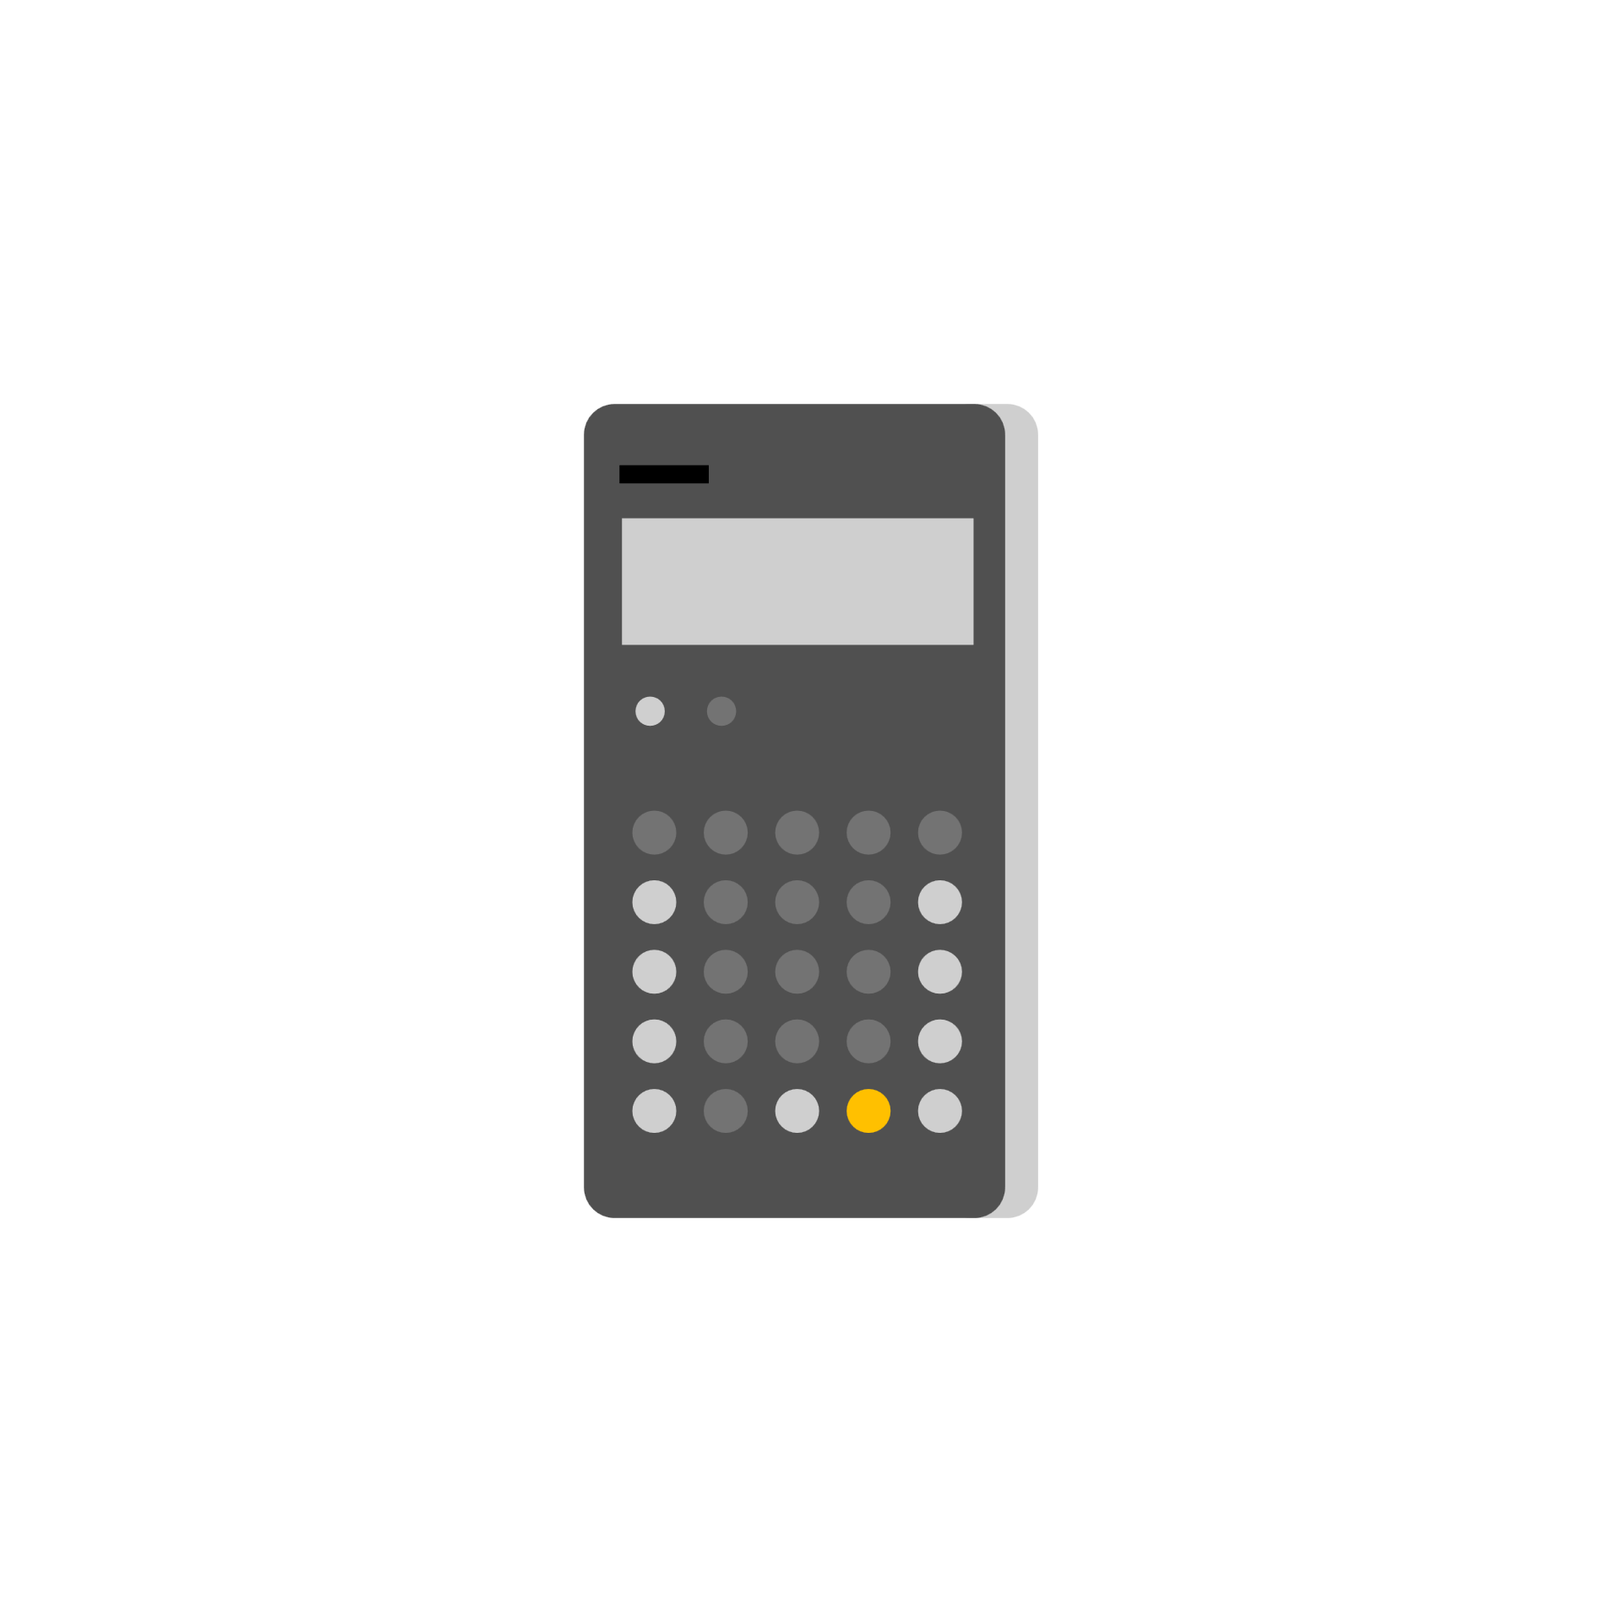
Walmart Dashboard

Sales by Segment
 | Total
Consumer | 1236282
Corporate | 738137
Home Office | 374063
Shipping Mode by Countries
 | Economy | Economy Plus | Immediate | Priority
Austria | 649 | 124 | 39 | 161
Belgium | 325 | 101 | 26 | 80
Denmark | 140 | 42 |  | 22
Finland | 126 | 38 | 16 | 21
France | 4251 | 1576 | 468 | 1034
Germany | 4009 | 1084 | 288 | 798
Ireland | 200 | 104 | 12 | 76
Italy | 2223 | 736 | 129 | 524
Netherlands | 830 | 347 | 48 | 301
Norway | 145 | 50 | 9 | 57
Portugal | 230 | 26 |  | 30
Spain | 1676 | 564 | 197 | 444
Sweden | 476 | 126 | 55 | 96
Switzerland | 199 | 43 | 16 | 50
United Kingdom | 2911 | 1039 | 256 | 711

Total Profit by Year
 | Total
2011 | 54487
2012 | 66223
2013 | 77200
2014 | 85330

Sales by Region and Year
 | Central | North | South
2011 | 32021 | 15954 | 6512
2012 | 34098 | 21414 | 10711
2013 | 42944 | 18644 | 15612
2014 | 48573 | 15427 | 21330

Sales by Sub Category
 | Total
Accessories | 131309
Appliances | 209900
Art | 127184
Binders | 78934
Bookcases | 294396
Chairs | 186698
Copiers | 290081
Envelopes | 31210
Fasteners | 16238
Furnishings | 68237
Labels | 12822
Machines | 182066
Paper | 36057
Phones | 282559
Storage | 272489
Supplies | 38824
Tables | 89478

Profit and Sales by Country
 | Sum of Profit | Sum of Sales
Austria | 2673 | 8764
Belgium | 521 | 2440
Denmark | -393 | 572
Finland | 574 | 1396
France | 8403 | 50405
Germany | 5498 | 26251
Ireland | -204 | 452
Italy | 1793 | 10549
Netherlands | -2374 | 4261
Norway | 224 | 549
Portugal | -1020 | 2295
Spain | 3820 | 23733
Sweden | -1905 | 1911
Switzerland | 2 | 32
United Kingdom | 6523 | 34520

